Sheet1
USE THIS TABLE TO CHECK THE ERROR MESSAGE.

ERROR MESSAGE!

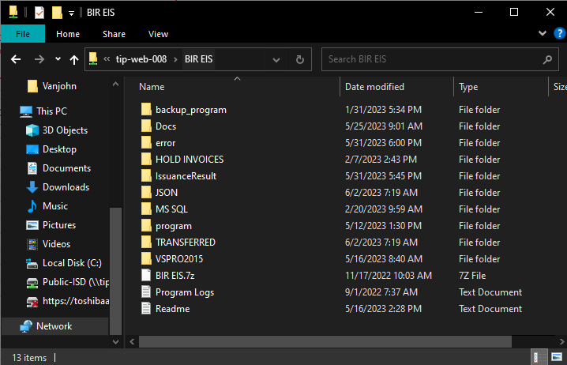

Open the web-008 folder and check the EIS ID in the transferred folder

Open the file as notepad and go to "BuyerInfo", you will notice that the TIN value is zero.

Edit the value into 9 (zero) then save the file and cut and paste it to JSON folder. It will be re-process in the 6pm program.

